Sheet1
Spring.K | dist.1 | dist.2
96.88 | 0.12 | 0.26398018167
38.43 | 0.4 | 0.56799375488
22 | 0.6 | 1.0909090909 | 0.49090909091 | 9657K401
18.95 | 0.75 | 1.213060686
14.8 | 1 | 1.5135135135

Force | 30 | lbf
dist.1 | 0.132 | in
µ | 0.3
Friction | 9 | lbf
f.dist | 1.04 | in

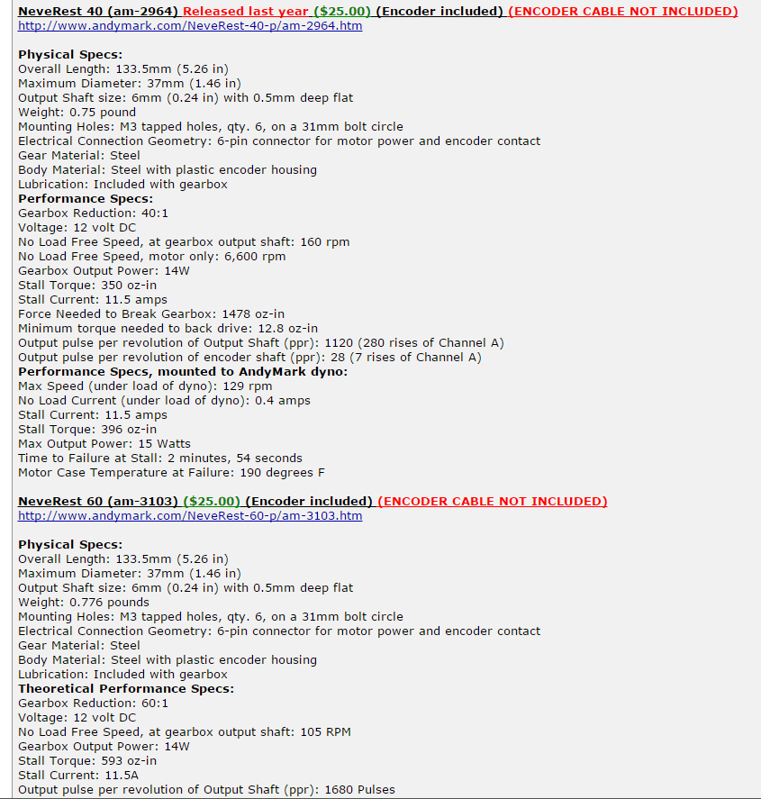
Moment | 13.32 | in.lbf
 | 213.12 | in.oz

 | 40:1 or more is good

